TestCase2
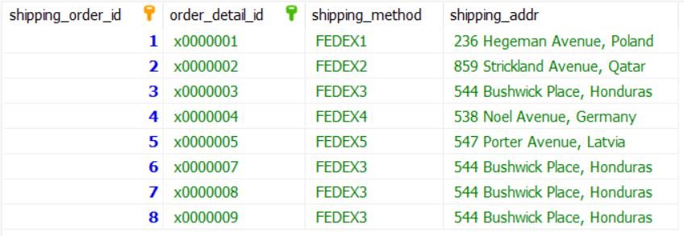
Test Case 2 Results: Will throw one error message and give following tables in shipping_order, supplier_order, payment and product.

TestCase3
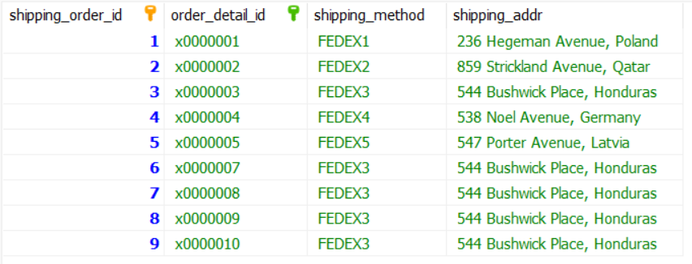
Test Case 3 Results: Will throw one error message and give following tables in shipping_order, supplier_order, order_detail, payment and product

TestCase4
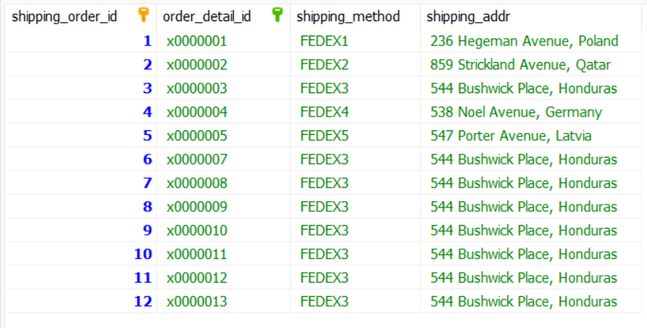
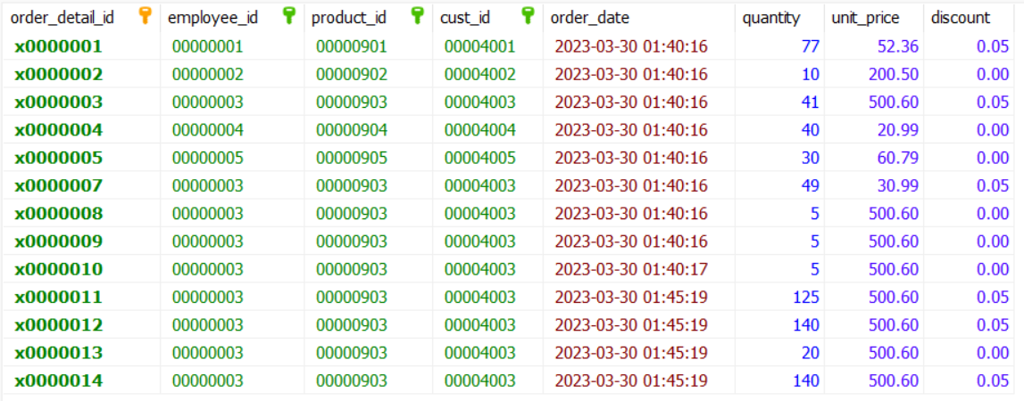
Test Case 4 Results: Will throw one error message and give following tables in shipping_order, supplier_order, order_detail, payment and product

